Cover
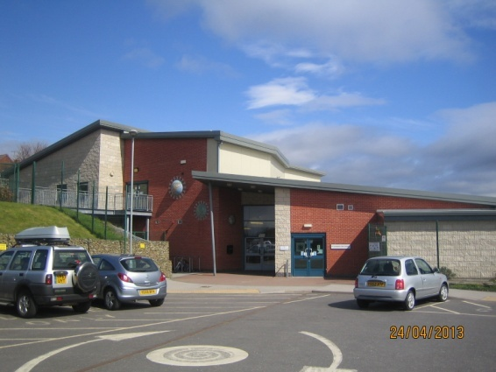
Rotherham Schools
Meadowview Primary School

Two Year Lifecycle Plan

Year Description | Year
Current Contract Year | September 2017 - August 2018
Reporting on contract year | September 2018 - August 2019

Report Issue Date: | Apr-19

Prepared by: | P. White

Expected year of replacement key
Does not fall within 5 year plan | A | A = As New
Does not fall within 5 year plan | B | B = Sound, Operationall Safe, Minor Deterioration
3-5 | B/C | B/C = Will Fall Below B in > 5 years
2 | C | C = Major Repiar / Replacement Soon (< 3 years Fabric, < 1 year Services)
1 | D | D = Imminent Risk of Failure
 |  | N/A should be inserted if not applicable to Building

